获取途径
[ | : | ,
] | "
{
}
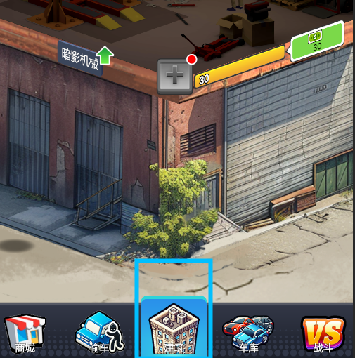
 |  |  |  |  |  |  |  |  | 101
 |  |  | Id | 获取途径 | 标题Key | 是否有跳转 | 可获取道具 | 额外信息
 |  |  | 101 | 大楼经营 | GetWayJump101 | 是 | 钞票50003 | 可获取数量 500
 |  |  | 102 | 秘密交易 | GetWayJump102 | 是 | 钞票50003、史诗偷车钳10002
 |  |  | 103 | 战斗挂机 | GetWayJump103 | 是 | 改装手册50004、机油50005 | 可获取数量 500
 |  |  | 104 | 战斗快速挂机 | GetWayJump104 | 是 | 改装手册50004、机油50005 | 剩余次数 1/5
 |  |  | 105 | 招募 | GetWayJump105 | 是 | 卡牌40001~41999、改装件30001~30005 | 剩余抽卡卷 卷1数量 卷2数量

 |  |  |  |  |  |  |  |  | 102

 |  |  | 201 | 每日Boss | GetWayJump201 | 是 |  | 剩余次数 1/5
 |  |  | 202 | 肉鸽 | GetWayJump202 | 是 |  | 剩余次数 1/5
 |  |  | 203 | 爬塔 | GetWayJump203 | 是 |  | 今日开放 图1

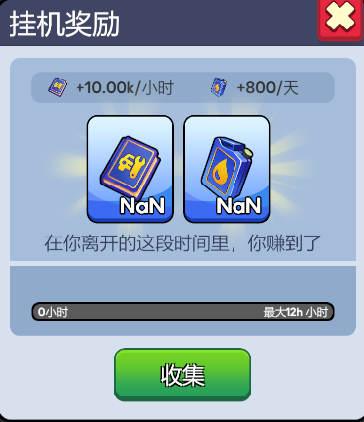
 |  |  |  |  |  |  |  |  | 103

 |  |  | 301 | 钻石兑换 | GetWayJump301 | 否
 |  |  | 302 | 商店 | GetWayJump302 | 是 |  | 可购买数量 5
 |  |  | 303 | 招募商店 | GetWayJump303 | 是 |  | 可购买数量 5
 |  |  | 304 | 每日Boss商店 | GetWayJump304 | 是 |  | 可购买数量 5

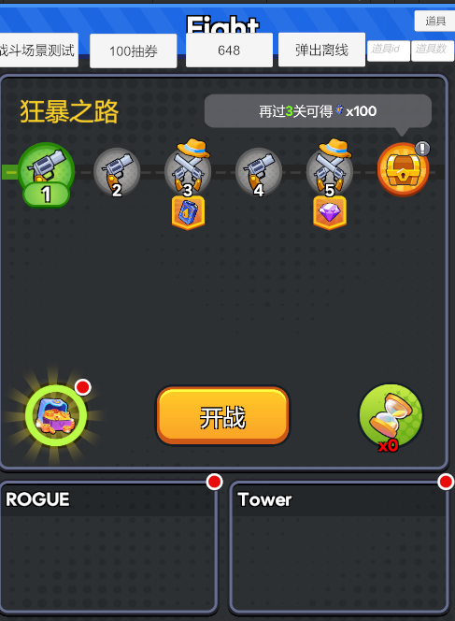
 |  |  |  |  |  |  |  |  | 104

 |  |  | 1001 | 商城 | GetWayJump1001 | 是
 |  |  | 1002 | 精选礼包 | GetWayJump1002 | 是
 |  |  | 1003 | 限时礼包 | GetWayJump1003 | 是
 |  |  | 1004 | 常驻礼包 | GetWayJump1004 | 是
 |  |  | 1005 | 月卡 | GetWayJump1005 | 是
 |  |  | 1006 | 通行证 | GetWayJump1006 | 是
 |  |  | 1007 | 商城月礼包 | GetWayJump1007 | 是
 |  |  | 1008 | 商城双周礼包 | GetWayJump1008 | 是

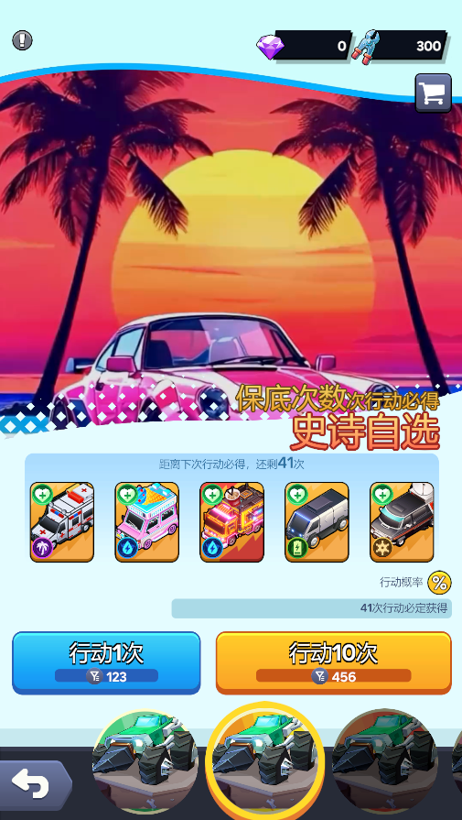
 |  |  |  |  |  |  |  |  | 105

